Melt Curve Result
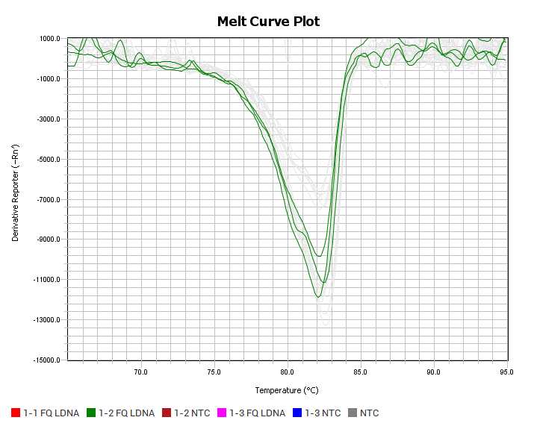
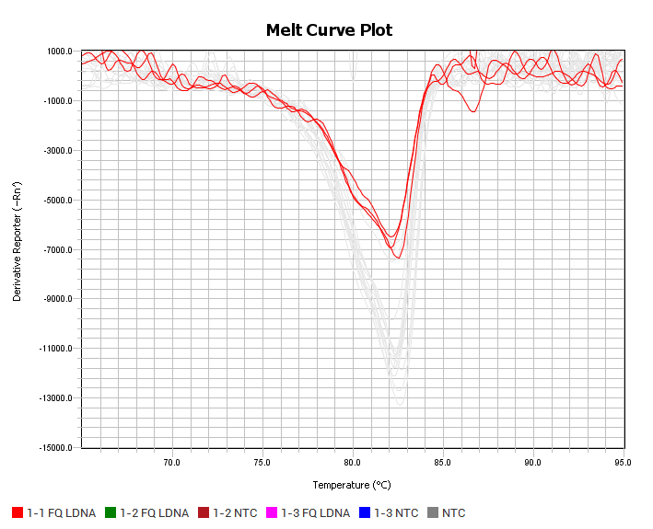
Block Type | 96-Well 0.1-mL Block
Calibration Background is expired | Yes
Calibration Background performed on | 09-17-2020
Calibration CM LCGREEN PLUS is expired | No
Calibration CM LCGREEN PLUS performed on | 08-29-2023
Calibration Pure Dye ABY is expired | Yes
Calibration Pure Dye ABY performed on | 09-17-2020
Calibration Pure Dye CY5 is expired | Yes
Calibration Pure Dye CY5 performed on | 09-17-2020
Calibration Pure Dye FAM is expired | No
Calibration Pure Dye FAM performed on | 01-04-2023
Calibration Pure Dye JUN is expired | Yes
Calibration Pure Dye JUN performed on | 09-17-2020
Calibration Pure Dye LCGREEN PLUS is expired | No
Calibration Pure Dye LCGREEN PLUS performed on | 08-29-2023
Calibration Pure Dye MUSTANG PURPLE is expired | Yes
Calibration Pure Dye MUSTANG PURPLE performed on | 09-17-2020
Calibration Pure Dye NED is expired | Yes
Calibration Pure Dye NED performed on | 09-17-2020
Calibration Pure Dye ROX is expired | No
Calibration Pure Dye ROX performed on | 01-04-2023
Calibration Pure Dye SYBR is expired | No
Calibration Pure Dye SYBR performed on | 01-04-2023
Calibration Pure Dye TAMRA is expired | Yes
Calibration Pure Dye TAMRA performed on | 09-17-2020
Calibration Pure Dye VIC is expired | No
Calibration Pure Dye VIC performed on | 01-04-2023
Calibration ROI is expired | Yes
Calibration ROI performed on | 09-17-2020
Calibration Uniformity is expired | Yes
Calibration Uniformity performed on | 09-17-2020
Chemistry | OTHER
Date Created | 2023-10-03 14:59:00 PM PDT
Experiment Barcode
Experiment Comment
Experiment File Name | E:\Run 2023-10-03\2023-10-03 Expt 235 pcr and post melt cont 025 ramp.eds
Experiment Name | 2023-10-03 Expt 235 pcr and post melt cont 025 ramp
Experiment Run End Time | 2023-10-03 13:19:29 PM PDT
Experiment Type | Standard Curve
Instrument Name | 272512128
Instrument Serial Number | 272512128
Instrument Type | QuantStudio™ 5 System
Passive Reference
Post-read Stage/Step
Pre-read Stage/Step |  |  |  |  |  | Expt 235 Analysis
Quantification Cycle Method | Ct
Signal Smoothing On | true |  |  |  |  | Target Name | 1-1 NTC LCGR | 1-1 NTC TXR | 1-1 NTC LCGR | 1-1 NTC TXR | 1-1 NTC LCGR | 1-1 NTC TXR | 1-2 NTC LCGR | 1-2 NTC TXR | 1-2 NTC LCGR | 1-2 NTC TXR | 1-2 NTC LCGR | 1-2 NTC TXR
Stage where Melt Analysis is performed | Stage3 |  |  |  |  | matlab unedited Tm | 66.185203552 | 82.371994019 | 81.845596313 | 82.240402222 | 76.055198669 | 82.240402222 | 66.185203552 | 82.371994019 | 82.108795166 | 82.240402222 | 66.185203552 | 82.371994019
Stage/ Cycle where Ct Analysis is performed | Stage2, Step2
User Name |  |  |  |  |  |  | 1-3 NTC LCGR | 1-3 NTC TXR | 1-3 NTC LCGR | 1-3 NTC TXR | 1-3 NTC LCGR | 1-3 NTC TXR | 1-1 FQ LDNA LCGR | 1-1 FQ LDNA TXR | 1-1 FQ LDNA LCGR | 1-1 FQ LDNA TXR | 1-1 FQ LDNA LCGR | 1-1 FQ LDNA TXR
 |  |  |  |  |  |  | 66.185203552 | 82.6352005 | 81.977203369 | 82.6352005 | 66.185203552 | 82.766799927 | 82.371994019 | 81.845596313 | 82.371994019 | 82.108795166 | 82.371994019 | 82.371994019
Well | Well Position | Sample | Target Name | Tm | Melt Peak Height
1 | A1 | NTC | 1-1 NTC LCGR | 65.001 | 32,024.738 |  | 1-2 FQ LDNA LCGR | 1-2 FQ LDNA TXR | 1-2 FQ LDNA LCGR | 1-2 FQ LDNA TXR | 1-2 FQ LDNA LCGR | 1-2 FQ LDNA TXR | 1-3 FQ LDNA LCGR | 1-3 FQ LDNA TXR | 1-3 FQ LDNA LCGR | 1-3 FQ LDNA TXR | 1-3 FQ LDNA LCGR | 1-3 FQ LDNA TXR
1 | A1 | NTC | 1-1 NTC TXR | 66.448 | 1,510.085 |  | 82.503601074 | 82.503601074 | 82.240402222 | 82.108795166 | 82.240402222 | 82.108795166 | 82.371994019 | 82.371994019 | 82.371994019 | 82.371994019 | 82.371994019 | 82.371994019
2 | A2 | NTC | 1-1 NTC LCGR | 81.911 | 42,020.750
2 | A2 | NTC | 1-1 NTC TXR | 65.001 | 2,381.363
3 | A3 | NTC | 1-1 NTC LCGR | 65.000 | 40,181.789 | Target Name | 1-1 NTC LCGR | 1-1 NTC TXR | 1-2 NTC LCGR | 1-2 NTC TXR | 1-3 NTC LCGR | 1-3 NTC TXR | 1-1 FQ LDNA LCGR | 1-1 FQ LDNA TXR | 1-2 FQ LDNA LCGR | 1-2 FQ LDNA TXR | 1-3 FQ LDNA LCGR | 1-3 FQ LDNA TXR
3 | A3 | NTC | 1-1 NTC TXR | 67.372 | 1,234.586 | avg Tm | 74.695332845 | 82.284266154 | 71.493067424 | 82.328130086 | 71.449203491 | 82.679066976 | 82.371994019 | 82.108795166 | 82.328135173 | 82.240397135 | 82.371994019 | 82.371994019
4 | A4 | 1-2 NTC | 1-2 NTC LCGR | 65.000 | 33,172.566
4 | A4 | 1-2 NTC | 1-2 NTC TXR | 84.832 | 185.254
4 | A4 | 1-2 NTC | 1-2 NTC TXR | 72.182 | 82.217 | TXR target only info |  |  |  |  | LCGR target only info
4 | A4 | 1-2 NTC | 1-2 NTC TXR | 90.695 | 246.210 |  | 1-1 FQ LDNA TXR | 1-2 FQ LDNA TXR | 1-3 FQ LDNA TXR |  |  | 1-1 FQ LDNA LCGR | 1-2 FQ LDNA LCGR | 1-3 FQ LDNA LCGR
4 | A4 | 1-2 NTC | 1-2 NTC TXR | 69.019 | 158.225 | Avg Tm (N=3) | 82.108795166 | 82.240397135 | 82.371994019 |  | Avg Tm (N=3) | 82.371994019 | 82.328135173 | 82.371994019
4 | A4 | 1-2 NTC | 1-2 NTC TXR | 74.356 | -386.106 | Reverse strand copies | 1.00E+11 | 2.00E+11 | 3.00E+11 |  | stdev | 0 | 0.15195792836 | 0
5 | A5 | 1-2 NTC | 1-2 NTC LCGR | 82.107 | 49,388.477 | Forward strand copies | 1.00E+11 | 1.00E+11 | 1.00E+11
5 | A5 | 1-2 NTC | 1-2 NTC TXR | 93.554 | 944.279 | stdev | 0.26319885254 | 0.22794129738 | 0 |  | Global avg WT | 82.357374403
5 | A5 | 1-2 NTC | 1-2 NTC TXR | 72.106 | 264.835 |  |  |  |  |  | stdev global avg WT | 0.025321916561
5 | A5 | 1-2 NTC | 1-2 NTC TXR | 84.607 | 472.279 | y=1.316E-12x+81.977
5 | A5 | 1-2 NTC | 1-2 NTC TXR | 91.383 | 692.741
5 | A5 | 1-2 NTC | 1-2 NTC TXR | 69.475 | 605.515 | y | 82.357374403
6 | A6 | 1-2 NTC | 1-2 NTC LCGR | 65.001 | 31,003.977 | x | 2.8903830031E+11 | copies of reverse strand
6 | A6 | 1-2 NTC | 1-2 NTC TXR | 92.436 | 688.962
6 | A6 | 1-2 NTC | 1-2 NTC TXR | 88.028 | 488.680 |  | 3E11 is close enough so stick with my 1-3 ratio at 1E11c FWD and 3E11c REV LDNA FQ
6 | A6 | 1-2 NTC | 1-2 NTC TXR | 94.146 | 969.620
6 | A6 | 1-2 NTC | 1-2 NTC TXR | 85.528 | 283.455
6 | A6 | 1-2 NTC | 1-2 NTC TXR | 69.212 | 405.589
7 | A7 | 1-3 NTC | 1-3 NTC LCGR | 65.000 | 27,760.693
7 | A7 | 1-3 NTC | 1-3 NTC TXR | 68.022 | 754.702
7 | A7 | 1-3 NTC | 1-3 NTC TXR | 93.904 | 971.535
7 | A7 | 1-3 NTC | 1-3 NTC TXR | 73.211 | 45.596
7 | A7 | 1-3 NTC | 1-3 NTC TXR | 90.159 | 597.788
7 | A7 | 1-3 NTC | 1-3 NTC TXR | 84.773 | -96.132
8 | A8 | 1-3 NTC | 1-3 NTC LCGR | 82.014 | 48,402.102
8 | A8 | 1-3 NTC | 1-3 NTC TXR | 72.095 | 1,216.889
8 | A8 | 1-3 NTC | 1-3 NTC TXR | 92.196 | 954.104
8 | A8 | 1-3 NTC | 1-3 NTC TXR | 86.875 | 1,015.585
8 | A8 | 1-3 NTC | 1-3 NTC TXR | 69.007 | 440.267
8 | A8 | 1-3 NTC | 1-3 NTC TXR | 90.554 | 401.571
9 | A9 | 1-3 NTC | 1-3 NTC LCGR | 65.000 | 32,246.926 | PCR |  |  | All samples Melt |  |  |  | Rep 1 Melt
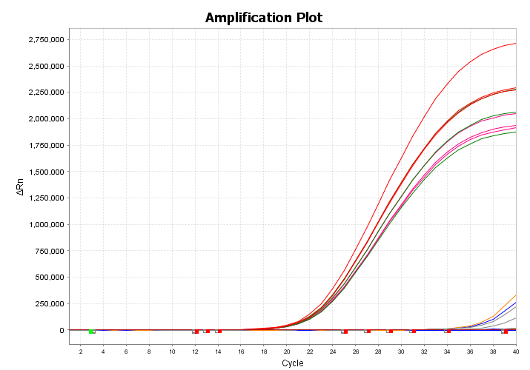
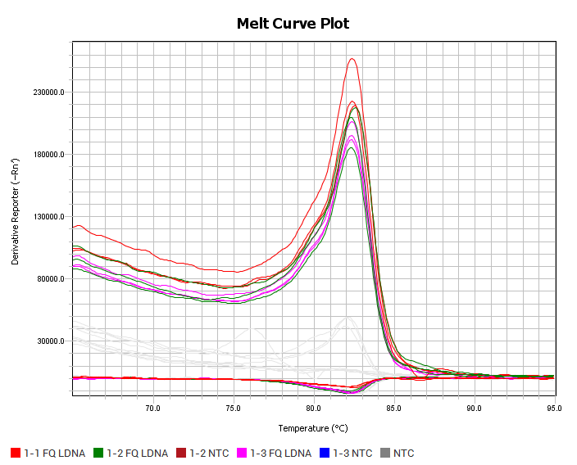
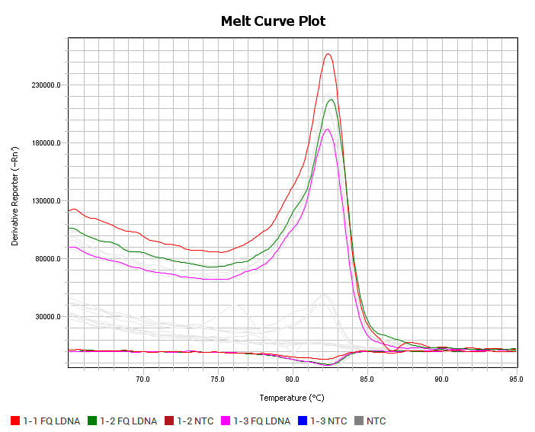
9 | A9 | 1-3 NTC | 1-3 NTC TXR | 90.637 | 1,401.035
9 | A9 | 1-3 NTC | 1-3 NTC TXR | 68.813 | 851.118
9 | A9 | 1-3 NTC | 1-3 NTC TXR | 86.693 | 1,092.829
9 | A9 | 1-3 NTC | 1-3 NTC TXR | 72.100 | 605.413
9 | A9 | 1-3 NTC | 1-3 NTC TXR | 65.986 | 1,584.019
73 | G1 | 1-1 FQ LDNA | 1-1 FQ LDNA LCGR | 82.372 | 257,335.719
73 | G1 | 1-1 FQ LDNA | 1-1 FQ LDNA TXR | 65.725 | 1,729.154
74 | G2 | 1-1 FQ LDNA | 1-1 FQ LDNA LCGR | 82.372 | 222,840.078
74 | G2 | 1-1 FQ LDNA | 1-1 FQ LDNA TXR | 68.291 | 1,042.915
75 | G3 | 1-1 FQ LDNA | 1-1 FQ LDNA LCGR | 82.526 | 219,350.938
75 | G3 | 1-1 FQ LDNA | 1-1 FQ LDNA TXR | 66.911 | 1,151.351
76 | G4 | 1-2 FQ LDNA | 1-2 FQ LDNA LCGR | 82.526 | 217,788.031
76 | G4 | 1-2 FQ LDNA | 1-2 FQ LDNA TXR | 89.905 | 1,774.556
76 | G4 | 1-2 FQ LDNA | 1-2 FQ LDNA TXR | 66.252 | 1,373.933
76 | G4 | 1-2 FQ LDNA | 1-2 FQ LDNA TXR | 87.467 | 767.673
76 | G4 | 1-2 FQ LDNA | 1-2 FQ LDNA TXR | 68.558 | 908.314
76 | G4 | 1-2 FQ LDNA | 1-2 FQ LDNA TXR | 85.161 | 267.690
77 | G5 | 1-2 FQ LDNA | 1-2 FQ LDNA LCGR | 82.304 | 209,799.891
77 | G5 | 1-2 FQ LDNA | 1-2 FQ LDNA TXR | 93.488 | 373.157
77 | G5 | 1-2 FQ LDNA | 1-2 FQ LDNA TXR | 67.830 | 283.658
77 | G5 | 1-2 FQ LDNA | 1-2 FQ LDNA TXR | 89.870 | 587.543 | 1-1 TXR |  |  | 1-2 TXR |  |  |  | 1-3 TXR
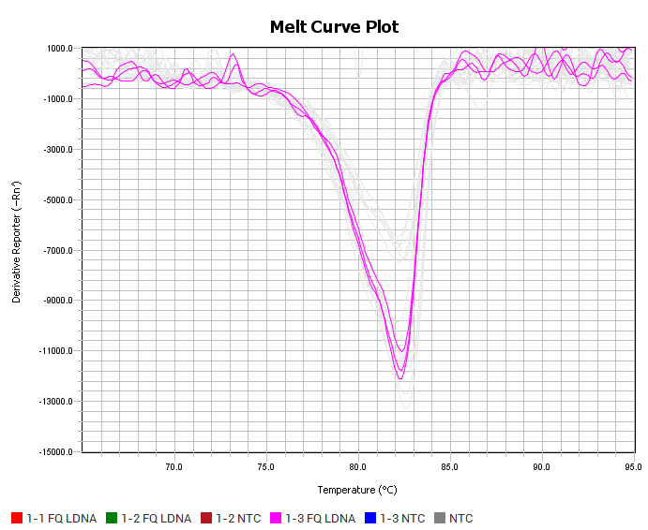
77 | G5 | 1-2 FQ LDNA | 1-2 FQ LDNA TXR | 91.383 | 430.478
77 | G5 | 1-2 FQ LDNA | 1-2 FQ LDNA TXR | 85.857 | 1,193.495
78 | G6 | 1-2 FQ LDNA | 1-2 FQ LDNA LCGR | 82.304 | 185,432.094
78 | G6 | 1-2 FQ LDNA | 1-2 FQ LDNA TXR | 66.580 | 1,370.480
78 | G6 | 1-2 FQ LDNA | 1-2 FQ LDNA TXR | 69.870 | 307.742
78 | G6 | 1-2 FQ LDNA | 1-2 FQ LDNA TXR | 92.436 | 627.344
78 | G6 | 1-2 FQ LDNA | 1-2 FQ LDNA TXR | 87.501 | 479.950
78 | G6 | 1-2 FQ LDNA | 1-2 FQ LDNA TXR | 89.870 | 777.430
79 | G7 | 1-3 FQ LDNA | 1-3 FQ LDNA LCGR | 82.277 | 191,706.078
79 | G7 | 1-3 FQ LDNA | 1-3 FQ LDNA TXR | 73.146 | 760.311
79 | G7 | 1-3 FQ LDNA | 1-3 FQ LDNA TXR | 90.751 | 896.972
79 | G7 | 1-3 FQ LDNA | 1-3 FQ LDNA TXR | 88.649 | 639.337
79 | G7 | 1-3 FQ LDNA | 1-3 FQ LDNA TXR | 70.781 | 25.733
79 | G7 | 1-3 FQ LDNA | 1-3 FQ LDNA TXR | 85.627 | 540.454
80 | G8 | 1-3 FQ LDNA | 1-3 FQ LDNA LCGR | 82.342 | 195,458.719
80 | G8 | 1-3 FQ LDNA | 1-3 FQ LDNA TXR | 89.897 | 1,319.543
80 | G8 | 1-3 FQ LDNA | 1-3 FQ LDNA TXR | 91.342 | 740.613
80 | G8 | 1-3 FQ LDNA | 1-3 FQ LDNA TXR | 85.824 | 905.226
80 | G8 | 1-3 FQ LDNA | 1-3 FQ LDNA TXR | 67.628 | 464.472
80 | G8 | 1-3 FQ LDNA | 1-3 FQ LDNA TXR | 73.343 | 374.833
81 | G9 | 1-3 FQ LDNA | 1-3 FQ LDNA LCGR | 82.354 | 206,552.047
81 | G9 | 1-3 FQ LDNA | 1-3 FQ LDNA TXR | 89.585 | 784.971
81 | G9 | 1-3 FQ LDNA | 1-3 FQ LDNA TXR | 86.167 | 391.385
81 | G9 | 1-3 FQ LDNA | 1-3 FQ LDNA TXR | 87.547 | 691.486
81 | G9 | 1-3 FQ LDNA | 1-3 FQ LDNA TXR | 91.031 | 520.259
81 | G9 | 1-3 FQ LDNA | 1-3 FQ LDNA TXR | 68.090 | 250.297

